Dala Sales & Deliveries
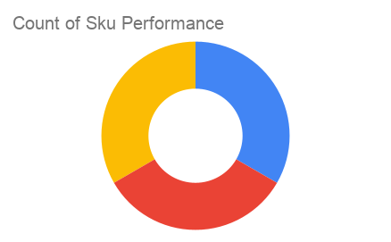
Total Invoices Delivered | 3.00 | Sku Performance | Units | Value
Unique Locations Supplied | 3.00 | QF- 500ml Mixed Juice (1x) | 12.00 | 24,000.00
Total Value of orders | 108,000.00 | QF- 500ml Orange Juice (1x) | 12.00 | 24,000.00
 |  | QF- 500ml Pineapple Juice (1x) | 30.00 | 60,000.00
 |  |  | 0.00 | 0.00
 |  |  | 0.00 | 0.00
 |  |  | 0.00 | 0.00
 |  |  | 0.00 | 0.00
 |  |  | 0.00 | 0.00
 |  |  | 0.00 | 0.00
 |  |  | 0.00 | 0.00
 |  |  | 0.00 | 0.00
 |  |  | 0.00 | 0.00

